Sheet1
 |  | Document No. | Issue No. | Issue Date |  | Review and Replace Date |  | Authorised By
 |  | GFF198MC | 2 | 14.09.2020 |  | 08.09.2021
 |  | Document Title | Hot Spicy Chicken Panang W/Jasmine Rice 400g
 |  |  |  |  |  |  |  | Magda Shah
Document amendments reason for change |  | Shelf life updated | Page 1 of 1 |  | Previous Issue Date |  | 14.09.2020 | Uncontrolled copy unless signed original

CPPENCR-R4TEB | BOOTHS |  | Hot Spicy Chicken Panang W/Jasmine Rice 400g
STEP 1 |  |  | STEP 2 |  |  |  | STEP 3
 |  |  | 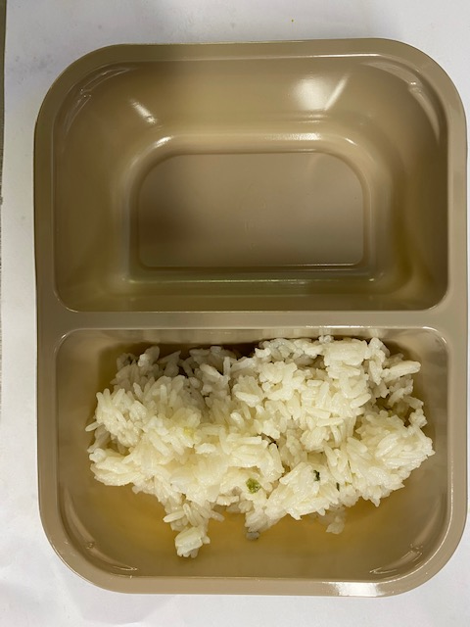 |  |  |  | 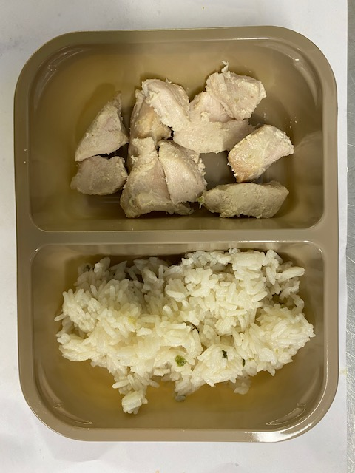

Tray: Evolve CPET 2200-2F (PKRHP001-10) |  |  | Jasmine Rice (GFF162R): 160g |  |  |  | British Diced Breast chicken 12-14g (Marinated) (GFF164R): 80g
Line 1: Mylar 250LAF 250mm x 1000 (PKWRA001-08)
Line 1: K-Peel 75G + AF 25 250mm (PKKMP001-01)
Line 2: Mylar 25OLAF - 380mm wide (PKWRA001-02)
STEP 3 |  |  | STEP 4 |  |  |  | STEP 5
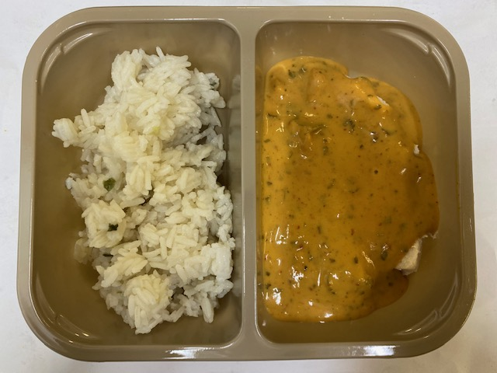 |  |  | 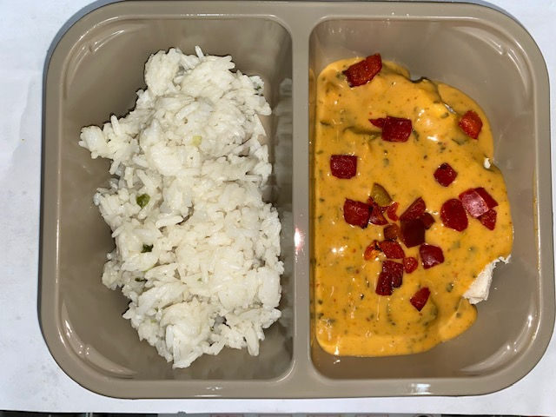 |  |  |  | 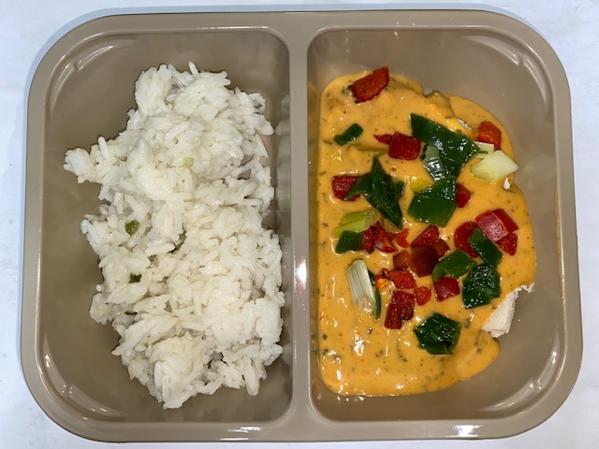

Panang Curry Sauce (GFF199R): 150g |  |  | Grilled Roasted Red Peppers Diced 10MM (RMBOW003-03): 5g |  |  |  | Stir Fried Diced Spring Onions 10MM (GFF200R): 5g
 |  |  |  |  |  |  | TOTAL WEIGHT: 400G
ALLERGY ALERT: BARLEY, CRUSTACEAN, FISH, SESAME, SOYA, WHEAT

